Overall
 | 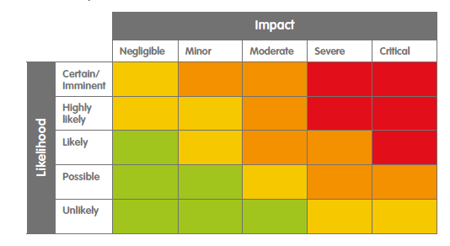
# | Risk | Detail | Likelihood | Impact | Action | Description
1 | Contextual risks
1.1 | Working in Fragile and Conflict Affected Settings (FCAS) | The Consortium is (increasingly) working in political environments which are extremely polarised and divided and in countries that moved either just out of conflict, find themselves in conflict or are at risk of moving towards conflict. Working in these environments brings a certain safety and security risk with it. | Likely | Severe | Mitigate | As this risk can only be avoided by not working in certain countries, so we accept the risk in itself. By installing the right set of Safety & Security strategies (what actual risks are seen) and Safety & Security policies (how is acted in certain situations), this risk is manageable. Also making sure the assessment is done continuously, in close contact with all parties involved. Part of managing this risk is to ensure that stakeholders are able to manage conflicts. Conflict could affect dialogue processes and progress. Therefore the ability to effectively deal with conflict(uous) situations and opposing positions ensures strategic programming. | Orange
1.2 | Shift of power | As the nature of our work is working with politicians, and in the coming five years there will be elections, there might be a continuity risks in each of the countries. The same goes for the risk of a shift of power due to a regime change. | Likely | Moderate | Mitigate | For the Consortium, the principles of impartiality and inclusiveness are crucial and central to our work. These principles enable us to implement programmes effectively and make this risk is acceptable and can be (partly) mitigated. | Orange
1.3 | Financial Mismanagement | In any organisation there is a risk of fraud, financial mismanagement and ineffective countermeasures if one of both is detected. | Possible | Severe | Mitigate | To make sure this risk is mitigated, clear anti-fraud and corruption policies are in place and communicated within the consortium. Part of the capacity training will be to make sure the policies are more than only paper. Also the follow up within the Consortium on the due diligence review will be part of building this capacity. On top of this the Consortium has whistleblowing mechanism in place which would allow any person to come forward in case of any suspicion. | Orange
1.4 | Natural desasters/Terroristactivity | Natural desasters, health crisis or terrorist activities might hamper activities. | Likely | Severe | Mitigate | This in itself is again a risk that cannot be avoided. To make sure this risk is manageable we made sure the Safety & Security policies are in place and communicated within the consortium. | Orange
2 | Programme risks |  |  |  |  |  | 0
2.1 | Supply-driven | Within the programming, there might be a risk the Consortium Members offer a solution for not the most urgent problem. | Possible | Moderate | Mitigate | When a new program is started, a Political Economy Analysis is done. This includes a stakeholders analysis and a risk assessment. By adaptive programming and making sure, we learn from our mistakes (failing forward), the Consortium believes this risk is mitigated | Yellow
2.2 | Shrinking democratic space | The phenomenon of shrinking democratic space is a major factor that cannot be ignored by any democracy assistance programme | Possible | Severe | Mitigate | Again, this is a risk that cannot be avoided or that can insured. However, by making sure the democratic landscape is known via our Political Economy Analysis and lobby and advocate for our type of work, this risks is mitigated. | Orange
2.3 | Changing contexts | With changing (political) contexts, the Consortium might be unable to deliver and measure results. | Possible | Severe | Mitigate | By following the Monitoring, Evaluation, and Learning (PMEL) Framework the Consortium is able to identify these changes quickly. By making sure the communication lines in the network and to our donors are open, this risk is manageable | Orange
3 | Risk relating to the implementing organization |  |  |  |  |  | 0
3.1 | Safety & Security | Safety & Security risks | Possible | Severe | Mitigate | Within the Consortium Lead a Safety &Security policy is in place and this is shared within the consortium. Part of the capacity building will be to make sure the partners in the network also have access to these policies. | Orange
3.2 | Dependance on one person (director) | If this person leaves, there might be a risk of lack of leadership, indecisiveness, long response times or lack of accountability. | Likely | Moderate | Mitigate | By making sure the governance structure of the organisation is in place, this risk is limited and therefore acceptable | Orange
3.3 | Integrity | Breach of Code of Conduct | Possible | Severe | Mitigate | The Integrity policy is in place and communicated within the consortium, also to the partners in the network. The same goes for the Whistle-blower procedure. | Orange
4 | Risk relating to the use of technology and data |  |  |  |  |  | 0
4.1 | Privacy breach (GPDR) | With the General Data Protection Regulation (GPDR) in Europe, the risk of having a privacy breach is especially a risk for the Consortium Lead. | Possible | Moderate | Mitigate | To mitigate this risk a Privacy Policy is in place | Yellow
4.2 | Digital vulnerabilities | As the work of the Consortium will be in the physical and digital world, digital security Issues, including the hacking of systems, is a real risk. | Possible | Moderate | Mitigate | Having a solid ICT-system in place is the best way to mitigate this risk. But not only making back-ups will be sufficient. In the past year, the Consortium Lead has invested in digital security tools (eg password-managers, encrypted emailing, etc) and awareness trainings. This knowlegde will be shared in the bigger network. | Yellow

